Assignment
UserDetailsB | Refer to the previous HTML created in Day3. The end-user should be able to input the Japanese text directly into the text-boxes. Print these values to the console & also save them into the database.

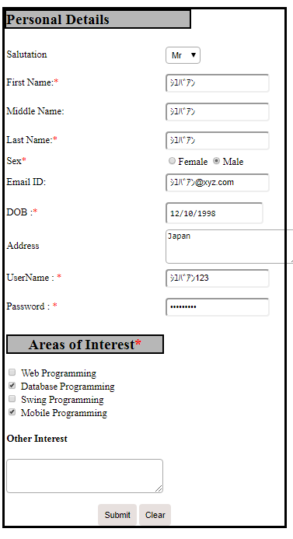
Input Screen

Output Screen
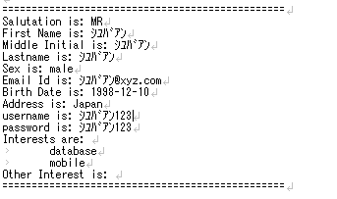

Database

